Test Case
Test Case ID | Scenario ID | API ID | Test Case | Preconditions | Test Data | Test Steps | Expected Result | Actual Result | Evidence | Status
TC_001 | TS-AUTH-001 | API-001 | Verify authentication with valid credentials | Internet connection available Valid credentials available Tool testing available | Username: admin Password: password123 URL: https://restful-booker.herokuapp.com/auth | 1.Open the tool testing 2.Enter URL 3.Select test method 4.Enter header data 5.Select body items 6. Enter body request 7. Click on ""Send"" button" | The tool testing should be opened The URL should be entered Test method should be selected Header data should be entered Body items should be selected Body request should be entered ""Send"" button should be clicked Status code shoud be displayed 200 ok Body response should be displayed token The users should login successfully with valid credentials. | Tool testing "Postman" screen has been opened. URL "https://restful-booker.herokuapp.com/auth" has been entered. Test method "POST" has been selected. Header data "Key = Content-Type", " Value = application/json" have been entered. Body items "raw" and "JSON" have been selected. Body request { "username" : "admin", "password" : "password123" } has been entered. ""Send"" button has been clicked. Status code "200 ok" has been displayed. Body response "token: 38745c7cfbddeff" has been displayed. Test result has been completed successfully. | 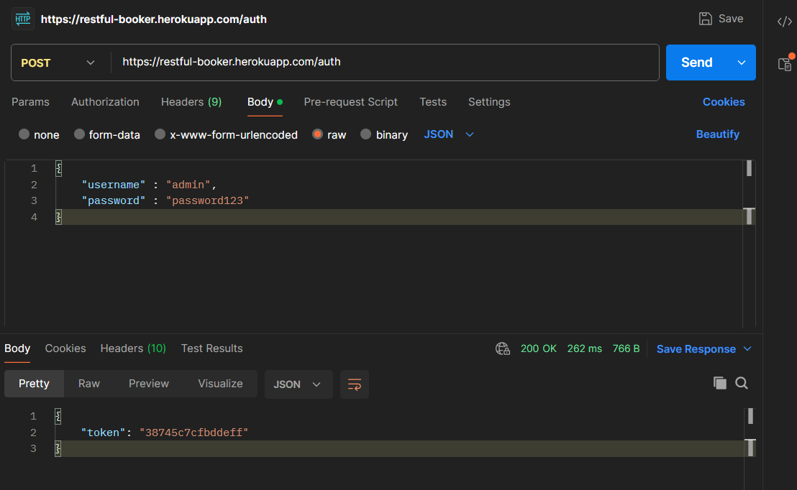 | PASS
TC_002 | TS-AUTH-002 | API-001 | Verify authentication with invalid username | Internet connection available Invalid username available Tool testing available | Username: adminMN Password: password123 URL: https://restful-booker.herokuapp.com/auth | 1.Open the tool testing 2.Enter URL 3.Select test method 4.Enter header data 5.Select body items 6. Enter body request with invalid username 7. Click on "Send" button | The tool testing should be opened The URL should be entered Test method should be selected Header data should be entered Body items should be selected Body request should be entered ""Send"" button should be clicked Status code shoud be displayed Body response should be displayed The users should not login with invalid username | Tool testing "Postman" screen has been opened. URL "https://restful-booker.herokuapp.com/auth" has been entered. Test method "POST" has been selected. Header data "Key = Content-Type", " Value = application/json" have been entered. Body items "raw" and "JSON" have been selected. Body request { "username" : "adminMN", "password" : "password123" } has been entered. "Send" button has been clicked. Status code "200 ok" has been displayed. Body response "reason: Bad credentials" has been displayed. The users cannot login with invalid username. | 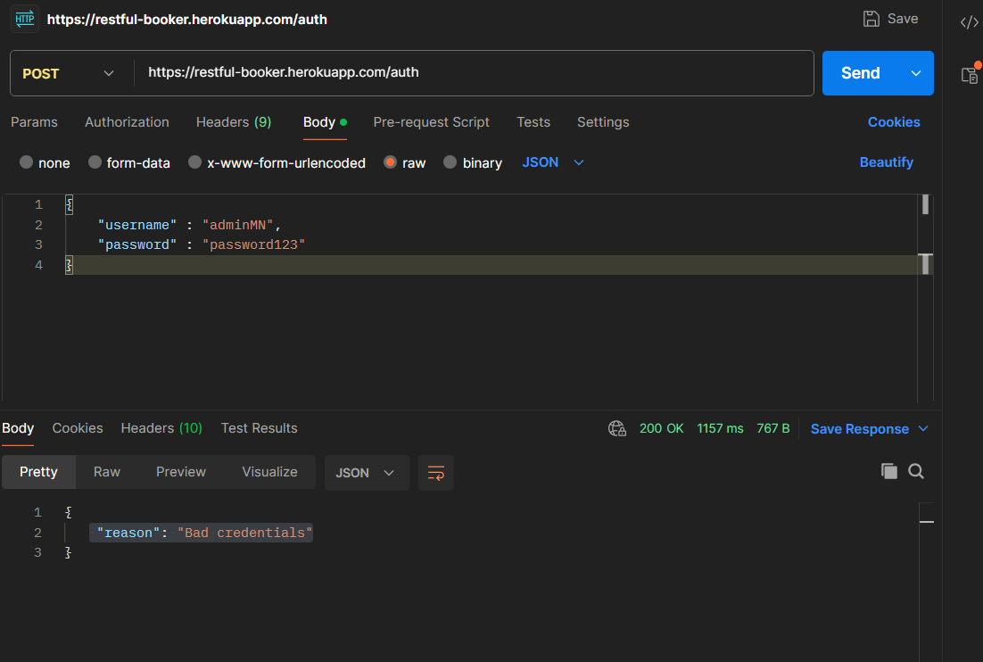 | PASS
TC_003 | TS-AUTH-005 | API-001 | Verify authentication with missing password | Internet connection available Valid username available Tool testing available | Username: admin URL: https://restful-booker.herokuapp.com/auth | 1.Open the tool testing 2.Enter URL 3.Select test method 4.Enter header data 5.Select body items 6. Enter body request with valid username and none password 7. Click on "Send" button | The tool testing should be opened The URL should be entered Test method should be selected Header data should be entered Body items should be selected Body request should be entered ""Send"" button should be clicked Status code shoud be displayed Body response should be displayed The users should not login with missing password | Tool testing "Postman" screen has been opened. URL "https://restful-booker.herokuapp.com/auth" has been entered. Test method "POST" has been selected. Header data "Key = Content-Type", " Value = application/json" have been entered. Body items "raw" and "JSON" have been selected. Body request { "username" : "admin", } has been entered. "Send" button has been clicked. Status code "200 ok" has been displayed. Body response "reason: Bad credentials" has been displayed. The users cannot login with missing password. | 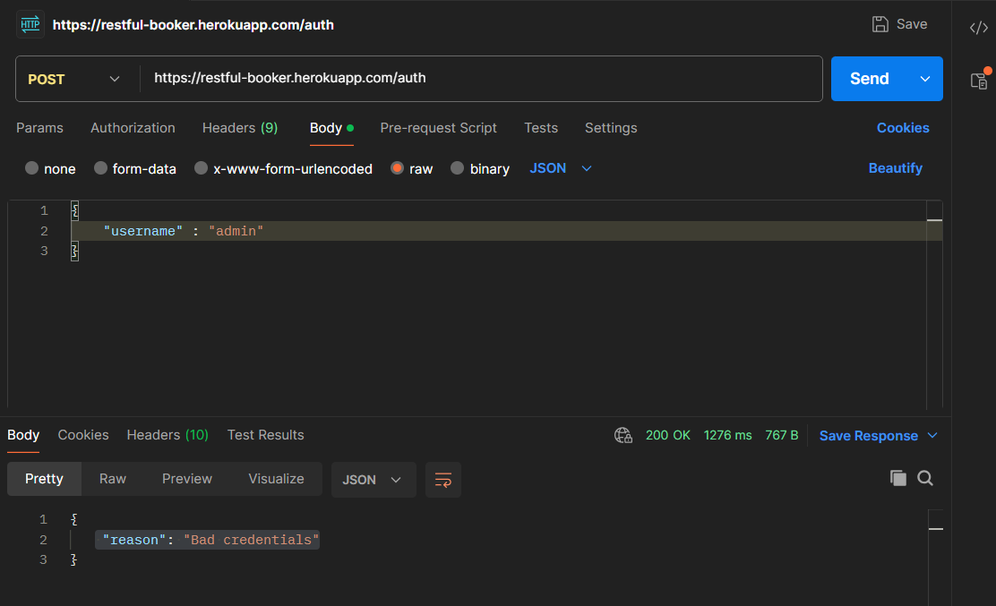 | PASS
TC_004 | TS-BOOK-003 | API-002 | Verify retrieving booking IDs by lastname | Internet connection available Test datas available Tool testing available | URL: https://restful-booker.herokuapp.com/booking?lastname=Jones Method: GET | 1.Open the tool testing 2.Enter URL 3.Select test method 4.Select body items 5. Click on "Send" button | The tool testing should be opened The URL should be entered Test method should be selected Body items should be selected "Send" button should be clicked Status code shoud be displayed Body response should be displayed The users should retrieve booking id by last name | Tool testing ""Postman"" screen has been opened. URL "https://restful-booker.herokuapp.com/booking?lastname=Jones" has been entered. Test method "GET" has been selected. Body items "NONE" has been selected. "Send" button has been clicked. Status code ""200 ok"" has been displayed. Body response "bookingid: 1" and "bookingid: 6" have been displayed. The users can retrieve booking ID by lastname | 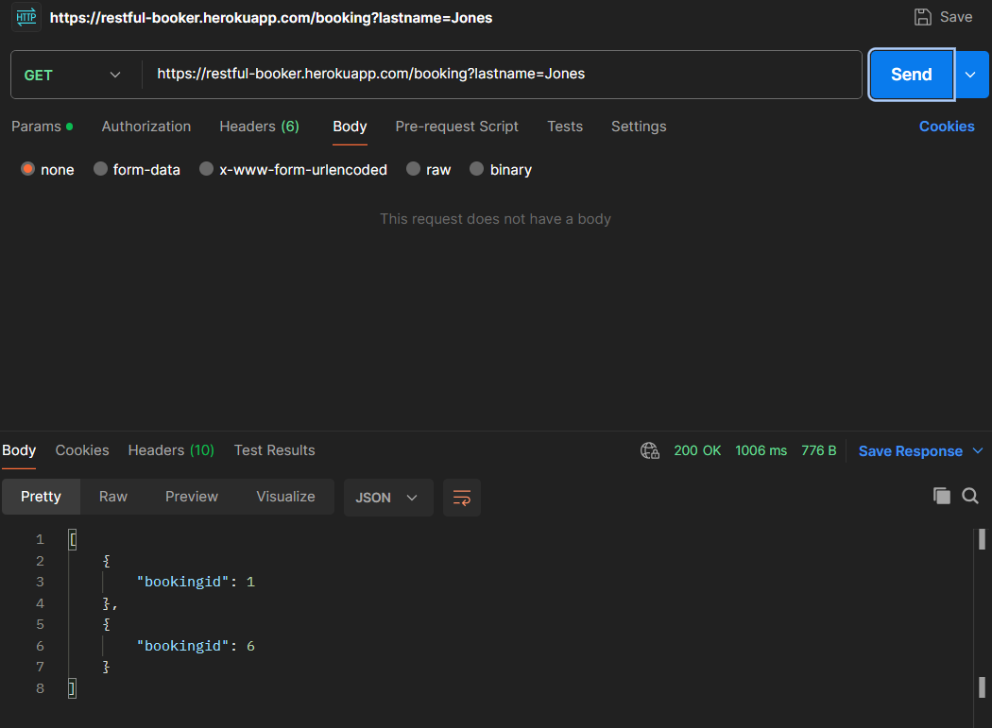 | PASS
TC_005 | TS-BOOK-002 | API-002 | Verify retrieving booking IDs by firstname | Internet connection available Test datas available Tool testing available | URL: https://restful-booker.herokuapp.com/booking?firstname=Jim Method: GET | 1.Open the tool testing 2.Enter URL 3.Select test method 4.Select body items 5. Click on ""Send"" button | The tool testing should be opened The URL should be entered Test method should be selected Body items should be selected ""Send"" button should be clicked Status code shoud be displayed Body response should be displayed The users should retrieve booking id by first name | Tool testing "Postman" screen has been opened. URL "https://restful-booker.herokuapp.com/booking?firstname=Jim" has been entered. Test method "GET" has been selected. Body items "NONE" has been selected. "Send" button has been clicked. Status code "200 ok" has been displayed. Body response "bookingid: 30","bookingid: 31" and "bookingid: 33" have been displayed. The users can retrieve booking ID by firstname. | 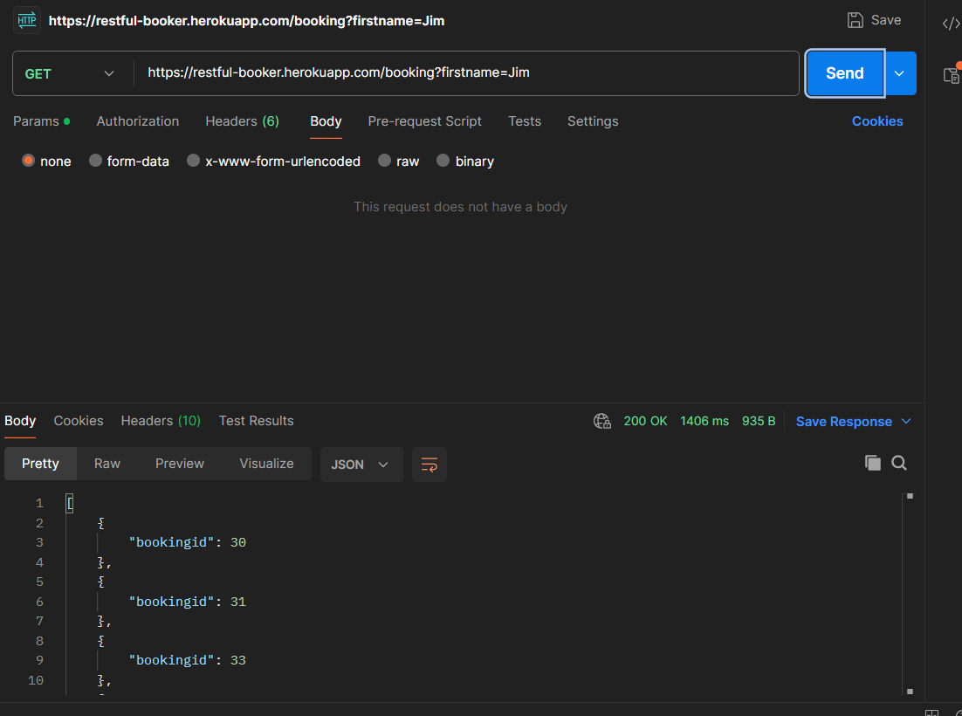 | PASS
TC_006 | TS-CREATE-001 | API-004 | Verify creating a booking with valid data | Internet connection available Test datas available Tool testing available | URL: https://restful-booker.herokuapp.com/booking Method: POST Header: Content-Type: application/json Body request: { "firstname": "Jim", "lastname": "Brown", "totalprice": 111, "depositpaid": true, "bookingdates": { "checkin": "2018-01-01", "checkout": "2019-01-01" }, "additionalneeds": "Breakfast" } | 1.Open the tool testing 2.Enter URL 3.Select test method 4.Enter header data 5.Select body items 6. Enter body request 7. Click on "Send" button | The tool testing should be opened The URL should be entered Test method should be selected Header data should be entered Body items should be selected Body request should be entered "Send" button should be clicked Status code shoud be displayed Body response should be displayed The users should create a booking with valid data. | Tool testing "Postman" screen has been opened. URL "https://restful-booker.herokuapp.com/booking" has been entered. Test method "POST" has been selected. Header data "Key = Content-Type", " Value = application/json" have been entered. Body items "raw" and "JSON" have been selected. Body request has been entered: { "firstname": "Jim", "lastname": "Brown", "totalprice": 111, "depositpaid": true, "bookingdates": { "checkin": "2018-01-01", "checkout": "2019-01-01" }, "additionalneeds": "Breakfast" } "Send" button has been clicked. Status code "200 ok" has been displayed. Body response "bookingid: 2215" has been displayed. The users can create a booking successfully with valid data. | 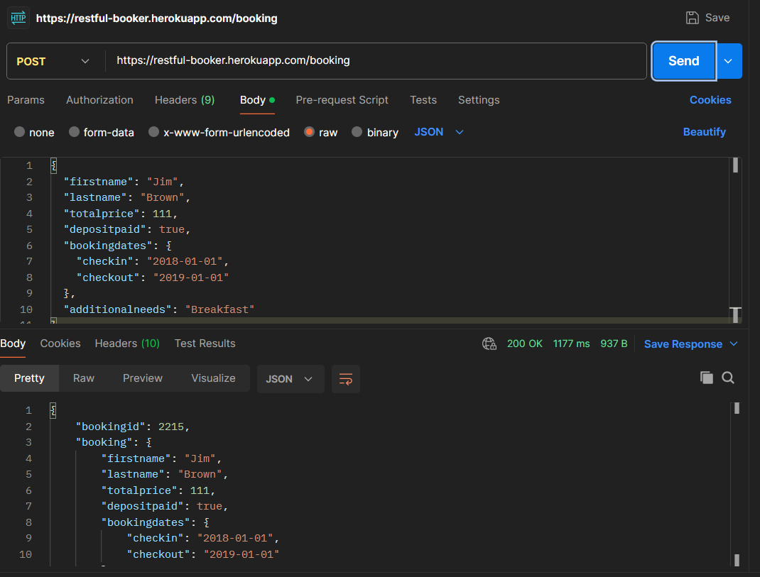 | PASS

